Heading Definition
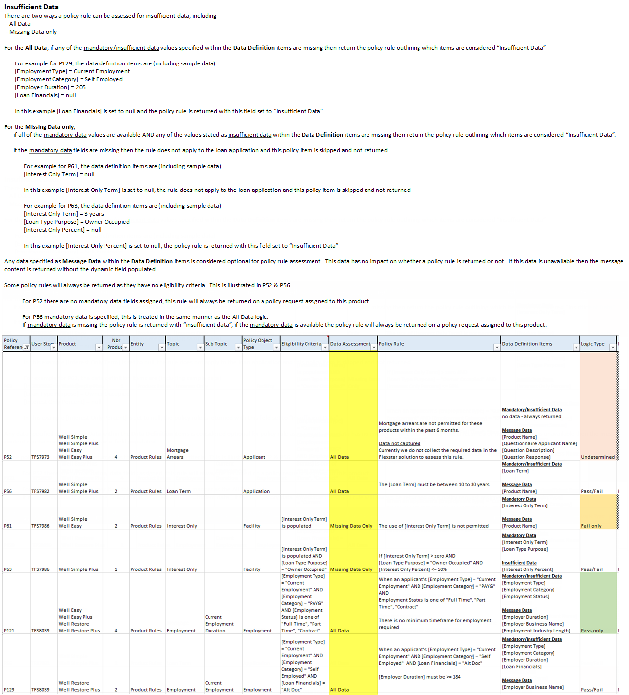
Heading Item | Description
Policy Reference | A unique identifier for each policy rule. If multiple rules are to be grouped, the identifier is repeated and a Alpha character is added to keep the rules unique . For example P3, P7 P15A, P15B, P15C
User Story | The User Story capturing when the policy rule was in code development
Product | Records the product name, if the policy rule is applicable to a specific product. A rule can apply to zero, one or many products
Global/Brand | Describes the brand name which apply to the product. If it is a global rule, the term "global" is used
Nbr of Product | A count of the products impacted by the policy rule
Entity | Records the entity description of the policy rule
Topic | Records the topic of a group of rules, this detail will be used in development to identify when to group rules
Sub Topic | Records a sub topic, related to the topic of a group of rules, this detail will be used in development to identify when to group rules
Policy Object Type | This represents how the policy rule is assessed. For example Application = assess once per application Applicant = assess once per applicant Employment = assess once per employment record saved on the applicant. If 3 records on an applicant, then this rule is assessed 3 times Security Property = assess once for each property marked as security
Eligibility Criteria | This column records the logic to determine when a policy rule is to be executed on the loan data. For example If a policy rules states a LVR range must be between 0-70% and the "LVR" is the eligibility criteria, then this rule only applies to a loan within that range. Any loans not in this range skip the rule. If empty it is always run on every application. For example Application 1 : LVR = 85.2% Policy rule does not apply to this loan and is not executed Application 2 : LVR = 68.5% Policy rule does apply to this loan and is executed with a Pass/Fail outcome.
Data Assessment | Determines how Insufficient Data needs to be handled within the policy engine. Refer to the full explanation (with examples) to the right.
Policy Rule | Describes the policy rule to be implemented
Data Definition Items | captures the dynamic data fields used within the policy rule. These are then defined within the Tab titled "Data Definition"
Logic Type | Records the type of policy rule being designed, the possible items are - Pass/Fail - Pass only - Fail Only - Undetermined
Return Type | This is used when a policy message of type - Pass/Fail - Pass Only - Undetermined It described the type of message being documented, possible items are - Pass - Not Captured (used when the rule is associated to "Unidentified" and the data needed to assess the rule is not captured in the Flexstar system) - Not Entered on Application (used when the data needed to assess the rule is not saved on the loan when the policy rule is executed)
Pass Return Message | The message displayed to the user on the UI, when the pass criteria have been satisifed
Pass Information | Additional data available to the pass message which is displayed differently on the UI, it is intended as hidden data and then available when the user clicks for more information.
Fail Return Type | This is used when a policy message of type - Pass/Fail - Fail Only It described the type of message being documented, possible items are - Fail - Refer
Fail Return Message | The message displayed to the user on the UI, when the fail criteria have been satisifed
Fail Information | Additional data available to the fail message which is displayed differently on the UI, it is intended as hidden data and then available when the user clicks for more information.
Conditions | A policy rule can be associated to a condition, through a cross reference within this field. If this policy rule applies to a loan application and a “Pass” outcome is determined, then the policy engine will reference the XML Condition Library and automatically add the condition as part of saving the policy decision. This field captures the GUID identifier from the Condition Rule Register, titled "ConditionRuleId"
Active | Records whether the policy rule is active or inactive within the system

